Training in the Ring form
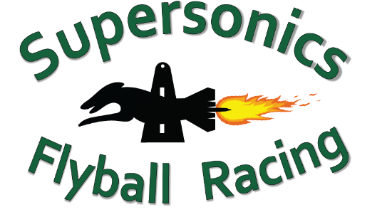
Rookies in the Ring - Training in the Ring Form
Saturday 18 May 2024
Email the completed form to racing@supersonicsflyball.com
Please make a single payment ($10 per dog) to: Supersonics Flyball Racing | BSB: 064776 | Account number: 10068983 | Ref: Club name
No. | Club | Dog Name | Dog CRN | Handler Name | Handler CRN | Dog under 12 mths? *
1
2
3
4
5
6
7
8
9
10
11
12
13
14
14
15

* NOTE: Dogs under 12 months of age MUST NOT use any flyball equipment

