Order form
2024 Pet Mince Direct Flyball State of Origin Shirt Order Form |  |  |  | Click here for Mens and Kids size chart
 |  |  |  | Click here for Ladies size chart
Email completed form to: racing@supersonicsflyball.com ATTENTION: Shirts are 1 PER PERSON only - if you are in two teams, you only get one shirt
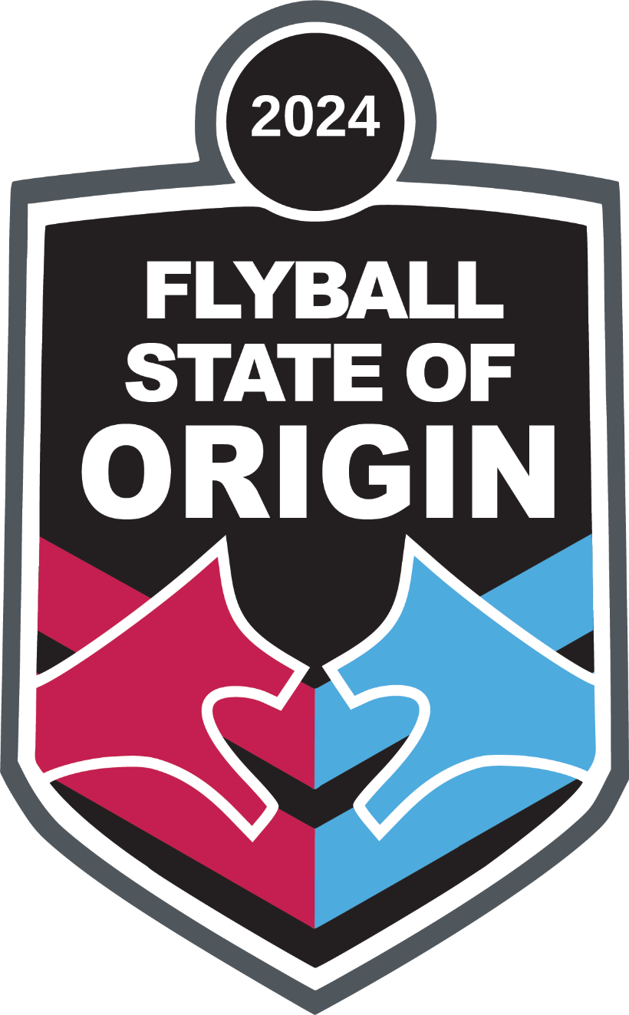
Club name: | PLEASE INSERT CLUB NAME HERE
Team name | State/Territory | Size | Name (for Shirt)

Mens and Kids size chart
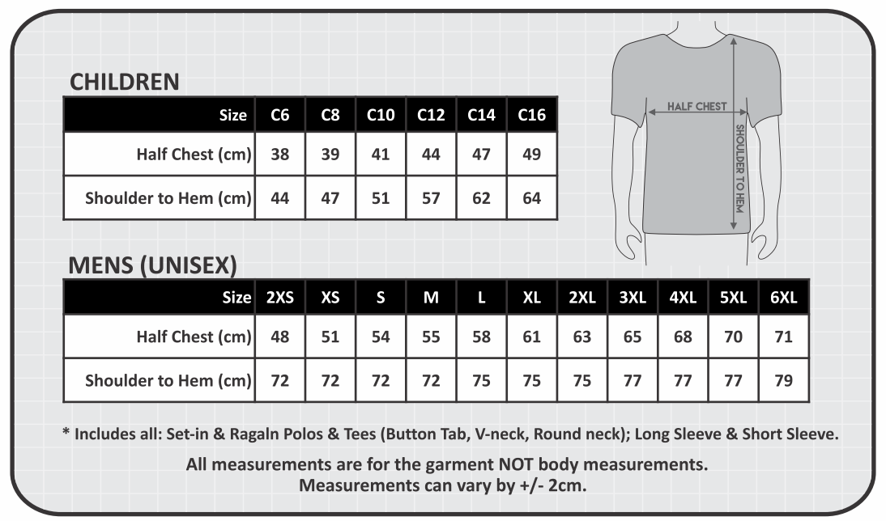
Click here to return to Order sheet

Ladies size chart
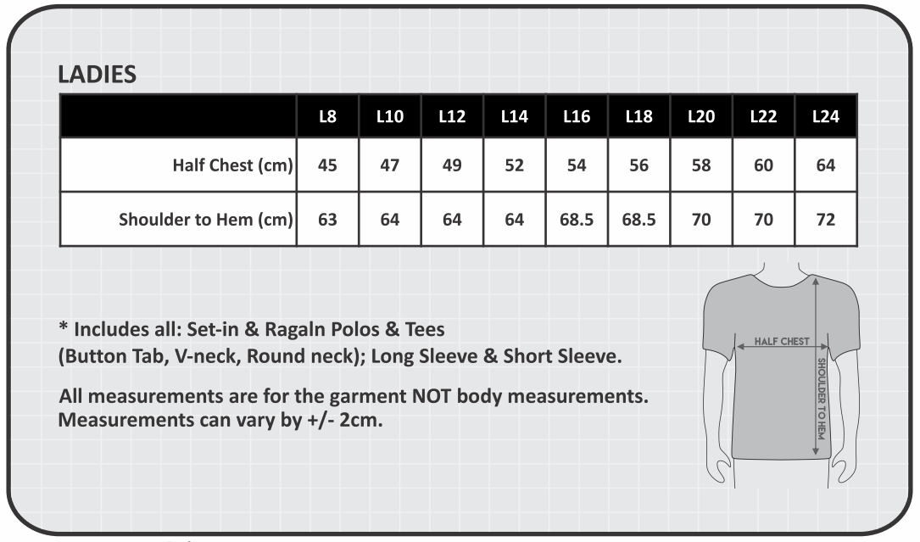
Click here to return to Order sheet

Designs
