Entry Form
Race Meet Name |  |  |  |  |  |  |  |  |  | Hosted By
21st Australian Flyball Championships |  |  |  |  |  |  |  |  |  | Awesome Pawsome Flyball Racing Club Inc
Date: |  |  | 2019-09-27
Venue: |  |  | RSPCA Flyball Arena 139 Wacol Station Road, Wacol
Entry Receiver: |  |  | Name: |  | Jenni Crane |  |  |  |  |  |  | Phone | 0427 151 798
 |  |  |  |  |  |  |  |  |  |  |  | Email: | kevandjencrane@bigpond.com
Entries Close: |  |  | Monday 29th July, 2019
Entry Fee: |  |  | $20 |  | Cheque payable OR Direct Deposit to: |  |  |  |  |  | Awesome Pawsome Flyball Racing Club Inc
 |  |  |  |  | Deposits must be clearly identified with your name and CRN |  |  |  |  |  | BSB |  | Account Number
 |  |  |  |  |  |  |  |  |  |  | 638-010 |  | 8832099
 |  |  |  |  |  |  |  |  |  |  | Please note - this is a new bank account dedicated to the Championships - if you have an existing Awesome Pawsome account in your bank payee listing, please ensure you use these details to avoid disappointment
 |  |  |  | Pairs Racing
Enter a Team Name >>>>
 |  |  | Declared Seed Time: (in seconds) |  |  |  |  | Break Out Penalties apply to all AFA Sanctioned Race Meetings.

Captains' Contact details |  |  | Name: |  |  |  |  |  |  |  |  | Phone:
 |  |  | Address: |  |  |  |  |  |  |  |  | Email:

 | Dog’s Name |  |  |  | CRN | Jump Hgt (in) | Handler |  | Breed |  |  | Hgt Card Y/N | Sex D / B | Desexed Y/N | CRN Expires

1
2
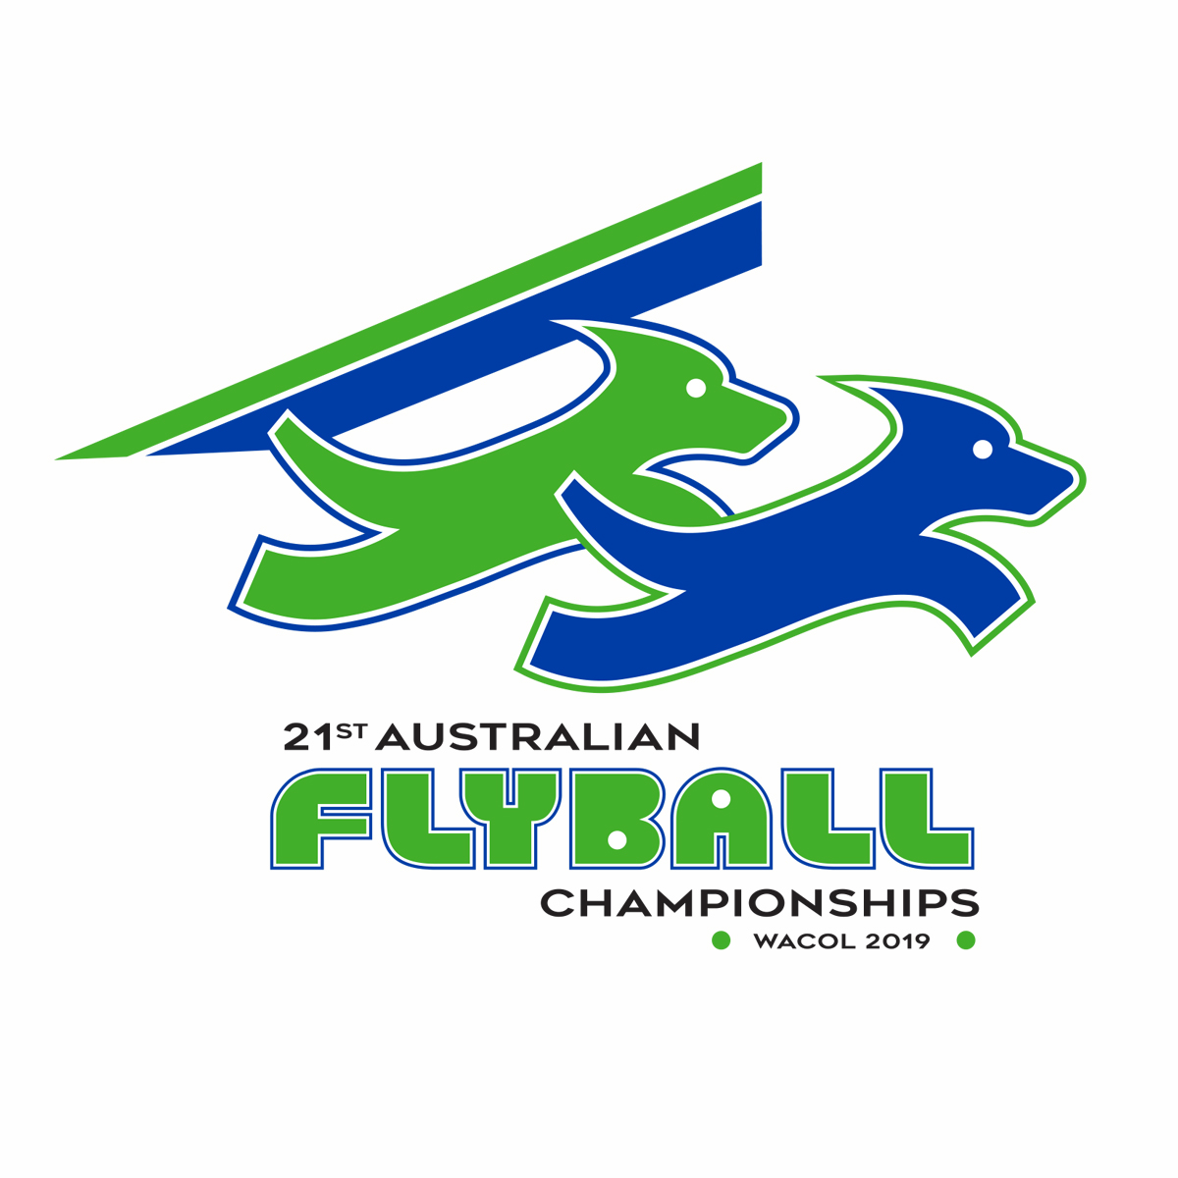

Declaration: ALL COMPETITORS AGREE TO ABIDE BY THE AFA RULES AND POLICIES (Y / N) |  |  |  |  |  |  |  |  |  |  |  | ◄◄◄◄

 |  | Signed, for and on behalf of all team members
 |  | (print name in box when sending emailed copy)

