Training in the Ring form
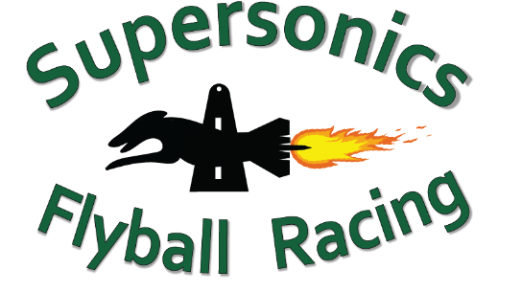
Flyball is in the Air Training Day
Training in the Ring Form
Saturday 10 February 2024
Email the completed form to racing@supersonicsflyball.com
Please make a single payment ($5 per dog) for all dogs entered to: Supersonics Flyball Racing | BSB: 064776 | Account number: 10068983 | Reference: Club name
No. | Club | Dog Name | Dog CRN | Handler Name | Handler CRN | Dog under 12 mths? *
1
2
3
4
5
6
7
8
9
10
11
12
13
14
14
15
16
17
18
19
20
21
22
23
24
25

 |  |  |  |  |  | * Note: Dogs less than 12 months of age must NOT use flyball equipment

